experiment data
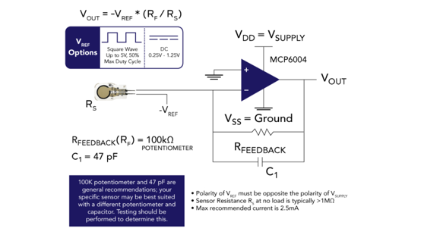
offical way | min | max
sensorValue | 106 | 171
V_a0 | 0.54 | 0.83

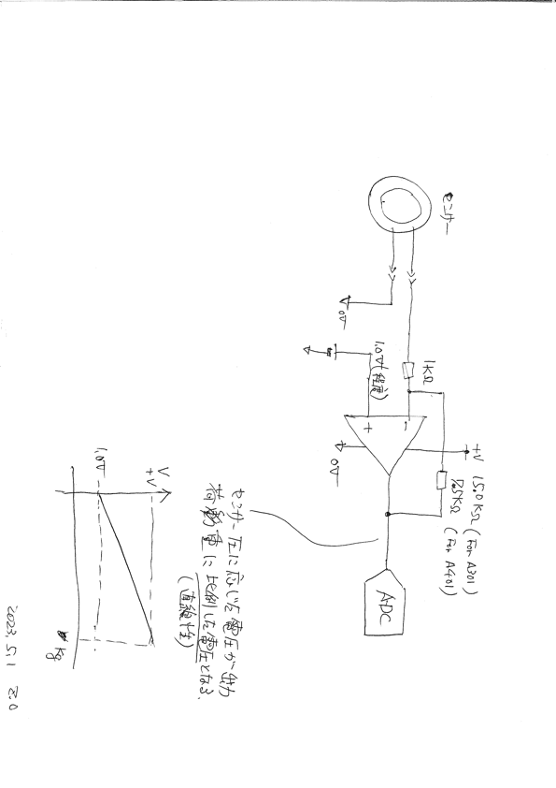
pdf way | min | max
sensorValue | 284 | 641
V_a0 | 1.27 | 2.83

simple way | min | max
sensorValue | 0 | 927
V_a0 | 0 | 4.33

linear experiment
without Op Amp Circuit
 |  |  |  |  |  |  |  | 0 | 1
force/g | 0 | 10 | 20 | 50 | 100 | 200 | 500 | 10 | 10
sensorValue | 0 | 10 | 60 | 135 | 307 | 487 | 718 | 20 | 60
V_a0 | 0 | 0.04 | 0.15 | 0.59 | 1.32 | 2.33 | 3.56 | 50 | 135
 |  |  |  |  |  |  |  | 100 | 307
 |  |  |  |  |  |  |  | 200 | 487
 |  |  |  |  |  |  |  | 500 | 718

with Op Amp Circuit

force | 0g | 10g | 20g | 50g | 100g | 200g | 500g
sensorValue | 313 | 314 | 316 | 317 | 324 | 367 | 399
V_a0 | 1.34 | 1.4 | 1.53 | 1.59 | 1.69 | 1.78 | 1.9

Sheet2
SUMMARY OUTPUT
X Variable 1 Line Fit Plot
 | Y | 预测 Y
0 | 1 | 62.989751968
10 | 10 | 77.501930789
20 | 60 | 92.014109609
50 | 135 | 135.55064607
100 | 307 | 208.11154018
200 | 487 | 353.23332838
500 | 718 | 788.598693
回归统计
Multiple R | 0.9517907181
R Square | 0.90590557107
Adjusted R Square | 0.88708668528
标准误差 | 91.739927851
观测值 | 7

方差分析
 | df | SS | MS | F | Significance F
回归分析 | 1 | 405140.64248 | 405140.64248 | 48.13810878 | 0.00095492880031
残差 | 5 | 42081.07181 | 8416.2143621
总计 | 6 | 447221.71429

 | Coefficients | 标准误差 | t Stat | P-value | Lower 95% | Upper 95% | 下限 95.0% | 上限 95.0%
Intercept | 62.989751968 | 43.517145829 | 1.4474697448 | 0.20741946057 | -48.874632638 | 174.85413657 | -48.874632638 | 174.85413657
X Variable 1 | 1.4512178821 | 0.20916456379 | 6.9381632137 | 0.00095492880031 | 0.91354325374 | 1.9888925104 | 0.91354325374 | 1.9888925104

RESIDUAL OUTPUT

观测值 | 预测 Y | 残差
1 | 62.989751968 | -61.989751968
2 | 77.501930789 | -67.501930789
3 | 92.014109609 | -32.014109609
4 | 135.55064607 | -0.55064607159
5 | 208.11154018 | 98.888459825
6 | 353.23332838 | 133.76667162
7 | 788.598693 | -70.598693005

